story1
ReqName/User Story1 | Subject | Test caseName/Case Id | Test case description | Test Env | Pre-requisite | Test data | Step No | Test steps(Actions) /Test Step Description | Expected Result(Result) | Actual Results | Status | Type | Defect | Automatable | comments
As a resident user I want to get various bill payment options so I can pay bills using Credit / Debit Card / Internet Banking / UPI

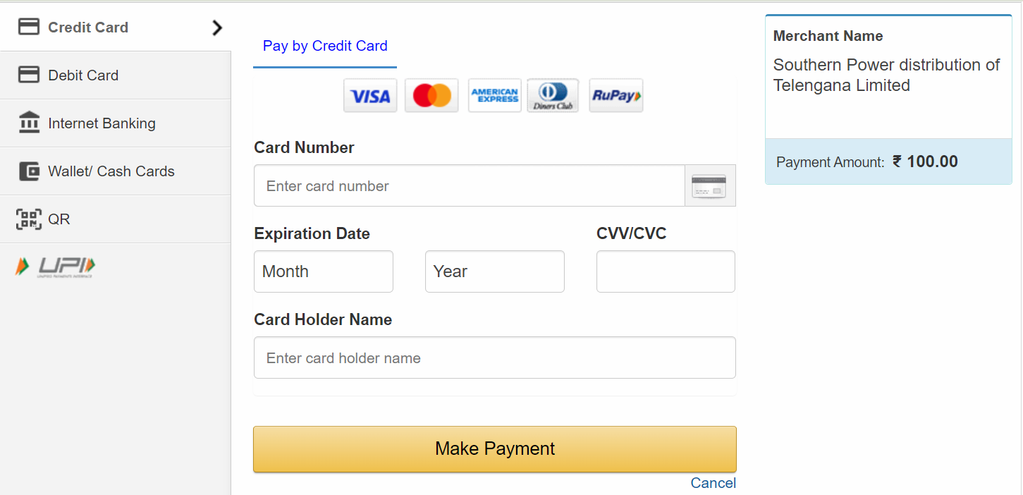
TC001
TC002
TC010
TC100

 |  |  | error message: Eneterd password is incorrect

 |  |  | Verify that all the labels and controls including text boxes, buttons, and links are present on the Login page. | Facebook.com

 |  |  | Check that the font type and size of the labels and the text written on the different elements should be clearly visible. | Facebook.com

 |  |  | Verify that the validation message gets displayed in case the user leaves the username or password field blank. | https://www.universalorlando.com/web/en/us

 |  |  | Verify if there is a checkbox with the label “remember password” on the login page. | https://www.universalorlando.com/web/en/us

Screenshot
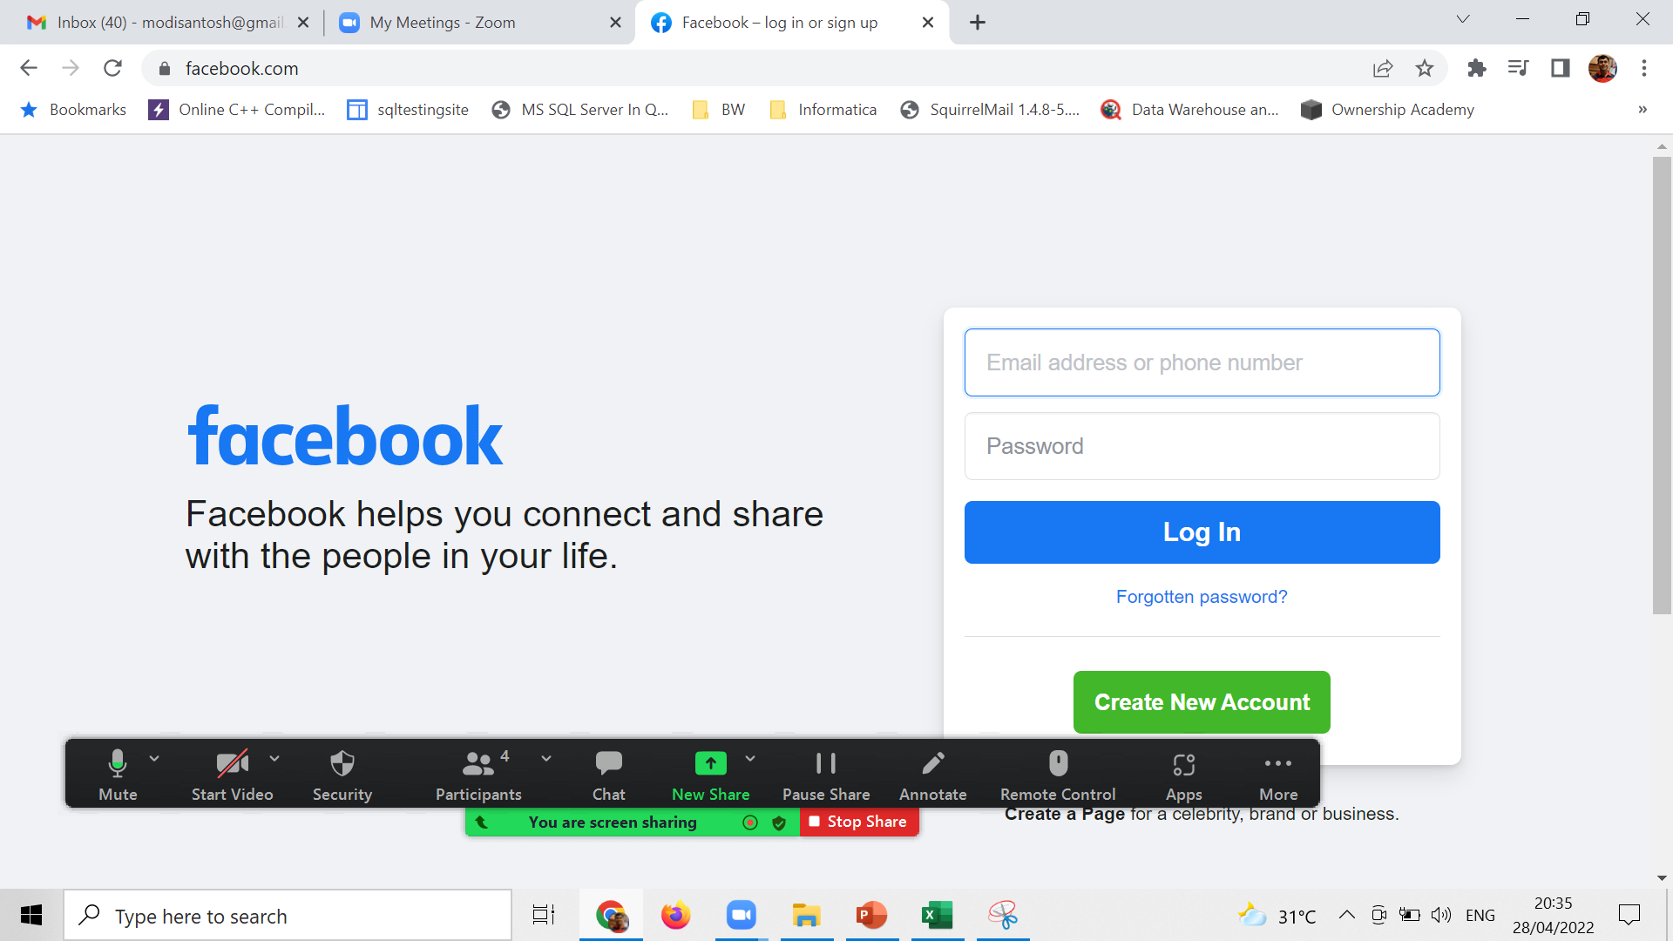
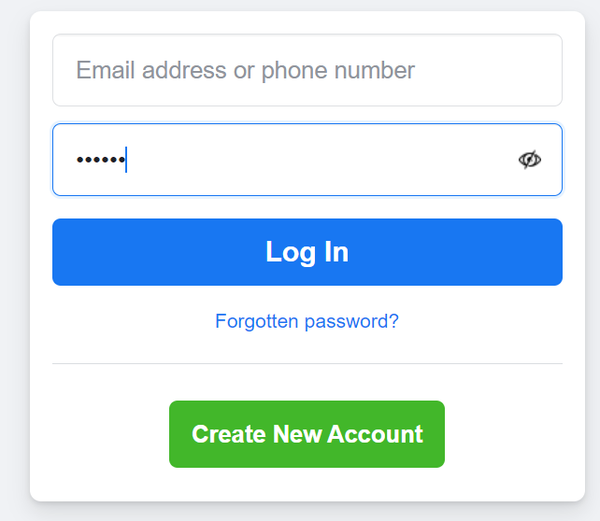
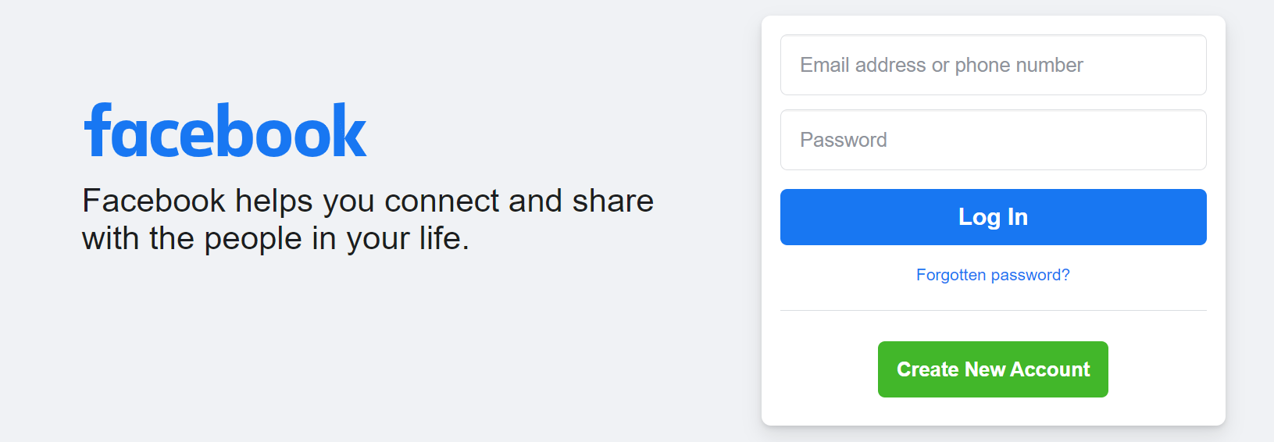
TC001

